Sheet1
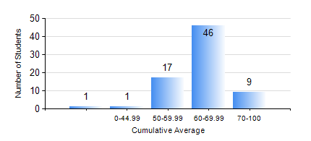
 |  |  | KWAME NKRUMAH UNIVERSITY OF SCIENCE AND TECHNOLOGY, KUMASI Department of Mechanical Engineering

 |  |  | BSC. MARINE ENG.

 |  |  | COMPREHENSIVE RECORD OF EXAMINATION RESULTS

 |  |  | RESULTS OF YEAR 1 SECOND SEMESTER, 2020/2021 ACADEMIC YEAR

 | Sn | Course Code |  | Course Name | Credit Hours | Min. Mark | Max. Mark | Avg. Mark | Std. Dev. | No. Passed | No. Trailed | No. (Df) | No. (I) | No. (I*) | No. Tagged(I,I*,Df) | Total
 | 0. |  |  |  |  |  |  | 0 | 0 | 0 | 0 | 0 | 0 | 0 | 0 | 1
 | 1. | EE 152 |  | BASIC ELECTRONICS | 2 | 43 | 87 | 68 | 9.68 | 73 | 0 | 0 | 0 | 0 | 0 | 73
 | 2. | ENGL 158 |  | COMMUNICATION SKILLS II | 2 | 43 | 82 | 64 | 7.97 | 73 | 0 | 0 | 0 | 0 | 0 | 73
 | 3. | FC 182 |  | FRENCH FOR COMMUNICATION II | 2 | 37 | 78 | 57 | 10.08 | 69 | 4 | 0 | 0 | 0 | 0 | 73
 | 4. | MATH 152 |  | CALCULUS WITH ANALYSIS | 4 | 23 | 90 | 56 | 14.05 | 66 | 7 | 0 | 0 | 0 | 0 | 73
 | 5. | ME 160 |  | ENGINEERING DRAWING | 3 | 40 | 78 | 58 | 9.01 | 73 | 0 | 0 | 0 | 0 | 0 | 73
 | 6. | ME 164 |  | STATICS OF SOLID MECHANICS | 2 | 44 | 91 | 70 | 10.61 | 73 | 0 | 0 | 0 | 0 | 0 | 73
 | 7. | ME 168 |  | COMPUTER PROGRAMMING FOR ENGINEERS | 2 | 40 | 94 | 61 | 14.27 | 73 | 0 | 0 | 0 | 0 | 0 | 73
 | 8. | MME 174 |  | MARINE ENGINEERING DESIGN PROJECT I | 2 | 43 | 81 | 69 | 8.04 | 73 | 0 | 0 | 0 | 0 | 0 | 73

